Advance Clean Trucks schedule
Source: CARB 2020. ACT Proposed Regulation Order.
https://ww3.arb.ca.gov/regact/2019/act2019/30dayatta.pdf
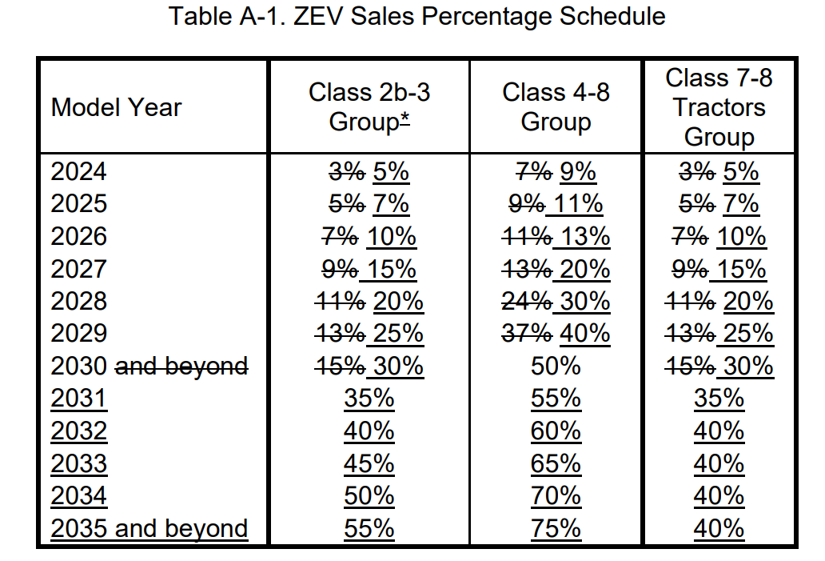

 | ACT ZEV sales standard by class by year |  |  |  |  | LDV freight sales share by year |  |  |  |  | Sales-weighted shares
 | 2-3 | 4-5 | 6-7 | 8 | 7-8 Tractors | Class 2b-3 | Class 4-5 | Class 6-7 | Class 8 | Class 7-8 Tractor | MDVs | MDVs and HDVs | HDVs
2024 | 5% | 9% | 9% | 9% | 5% | 73.1% | 8.7% | 10.3% | 1.5% | 6.4% | 5.5% | 5.8% | 5.0%
2025 | 7% | 11% | 11% | 11% | 7% | 72.9% | 8.8% | 10.3% | 1.5% | 6.4% | 7.4% | 7.8% | 7.0%
2026 | 10% | 13% | 13% | 13% | 10% | 72.7% | 8.8% | 10.4% | 1.6% | 6.5% | 10.0% | 10.6% | 10.0%
2027 | 15% | 20% | 20% | 20% | 15% | 72.5% | 8.9% | 10.5% | 1.6% | 6.6% | 15.1% | 16.0% | 15.0%
2028 | 20% | 30% | 30% | 30% | 20% | 72.4% | 9.0% | 10.5% | 1.6% | 6.6% | 20.8% | 22.1% | 20.0%
2029 | 25% | 40% | 40% | 40% | 25% | 72.2% | 9.0% | 10.6% | 1.6% | 6.6% | 26.5% | 28.2% | 25.0%
2030 | 30% | 50% | 50% | 50% | 30% | 72.1% | 9.0% | 10.6% | 1.6% | 6.7% | 32.3% | 34.3% | 30.0%
2031 | 35% | 55% | 55% | 55% | 35% | 72.1% | 9.0% | 10.6% | 1.6% | 6.7% | 36.9% | 39.3% | 35.0%
2032 | 40% | 60% | 60% | 60% | 40% | 72.1% | 9.0% | 10.6% | 1.6% | 6.7% | 41.6% | 44.3% | 40.0%
2033 | 45% | 65% | 65% | 65% | 40% | 72.1% | 9.0% | 10.6% | 1.6% | 6.7% | 46.3% | 48.9% | 40.0%
2034 | 50% | 70% | 70% | 70% | 40% | 72.1% | 9.0% | 10.6% | 1.6% | 6.7% | 50.9% | 53.6% | 40.0%
2035 | 55% | 75% | 75% | 75% | 40% | 72.1% | 9.0% | 10.6% | 1.6% | 6.7% | 55.6% | 58.3% | 40.0%

Sales-weighted shares schedule
 | 2024 | 2025 | 2026 | 2027 | 2028 | 2029 | 2030 | 2031 | 2032 | 2033 | 2034 | 2035 | 2036 | 2037 | 2038 | 2039 | 2040 | 2041 | 2042 | 2043 | 2044 | 2045 | 2046 | 2047 | 2048 | 2049 | 2050
MD trucks | 6% | 7% | 10% | 15% | 21% | 27% | 32% | 37% | 42% | 46% | 51% | 56% | 56% | 56% | 56% | 56% | 56% | 56% | 56% | 56% | 56% | 56% | 56% | 56% | 56% | 56% | 56%
HD truck | 5% | 7% | 10% | 15% | 20% | 25% | 30% | 35% | 40% | 40% | 40% | 40% | 40% | 40% | 40% | 40% | 40% | 40% | 40% | 40% | 40% | 40% | 40% | 40% | 40% | 40% | 40%
Class 4-8 vocational | 9% | 11% | 13% | 20% | 30% | 40% | 50% | 55% | 60% | 65% | 70% | 75% | 75% | 75% | 75% | 75% | 75% | 75% | 75% | 75% | 75% | 75% | 75% | 75% | 75% | 75% | 75%

 |  |  |  |  |  |  |  |  |  |  | MD truck | HD Truck
 |  |  |  |  |  |  |  |  |  | 2024 | 0.058217189157 | 0.05
 |  |  |  |  |  |  |  |  |  | 2025 | 0.078253387333 | 0.07
 |  |  |  |  |  |  |  |  |  | 2026 | 0.10622764033 | 0.1
 |  |  |  |  |  |  |  |  |  | 2027 | 0.16047824316 | 0.15
 |  |  |  |  |  |  |  |  |  | 2028 | 0.221053656 | 0.2
 |  |  |  |  |  |  |  |  |  | 2029 | 0.2817313976 | 0.25
 |  |  |  |  |  |  |  |  |  | 2030 | 0.34251695516 | 0.3
 |  |  |  |  |  |  |  |  |  | 2031 | 0.39251695516 | 0.35
 |  |  |  |  |  |  |  |  |  | 2032 | 0.44251695516 | 0.4
 |  |  |  |  |  |  |  |  |  | 2033 | 0.48918729122 | 0.4
 |  |  |  |  |  |  |  |  |  | 2034 | 0.53585762729 | 0.4
 |  |  |  |  |  |  |  |  |  | 2035 | 0.58252796336 | 0.4

